Sheet1
Sl. no | Company Name | Alternative Name (Top search) | Website name | Availability of Logo | PNG | Remarks
1 | CITY TRADERS PROMPT UPVC | PROMPT UPVC WINDOW SOLUTIONS | promptupvc.com | Yes
2 | MASS ALUMINIUM | MASS ALUMINIUM | https://massaluminium.com/ | Yes
3 | HEATHER CONSTRUCTION | HEATHER CONSTRUCTION | http://www.heather.co.in/ | Yes
4 | HEATHER HOMES | HEATHER HOMES | https://heatherhomes.in/ | Yes
5 | HEATHER INFRASTRUCTURES |  |  | NO |  | Maybe the same as HEATHER CONSTRUCTION
6 | THOMSON FURNITURE | THOMSON HOME DEPOT | https://thomsonfurniture.in/ | Yes
7 | INDROYAL FURNITURE | INDROYAL HOME SPACES | https://indroyal.com/ | Yes
8 | BARUNGA INDUSTRIES |  |  | NO |  | No details available
9 | FLYTECH INDUSTRIES | FLYTECH ROBOTICS | https://www.flytech.co.in/ | Yes |  | Not sure if the company is the right one
10 | HITECH ALUMINIUM | HI-TECH ALLUMINIUMS | https://hi-techalluminiums.com/ | Yes
11 | POPULAR ALUMINIUM |  |  | NO |  | No details available
12 | INSTYLE DECORATORS |  |  | NO |  | No details available
13 | A.S CARE HOMES PVT LTD | SEASON TWO senior living | https://seasontwo.com/ | Yes |  | The official website for A.S. Care Homes Private Limited and its associated senior living facility, now rebranded as Season Two Senior Living, is seasontwo.com.
14 | AGRAHAM DESIGN STUDIO | AGAM DESIGN STUDIO | https://www.agamdesignstudio.in/ | Yes |  | Didn’t find Agraham but instead found Agam Design Studio
15 | GANAPATHY LIGHTS |  |  | NO |  | No details available
16 | ADITHYA INTERIOR |  |  | NO |  | No details available
17 | ADRAK ENGINEERING AND CONSTRUCTION INDIA PVT LTD | AL ADRAK | https://www.aladrak.com/aladrak-india.php | Yes
18 | ALAKAPURI CONVENTION CENTRE PVT LTD |  | https://www.conventioncenter.in/listing/alakapuri-convention-center/ | NO |  | Website isn’t working and no further details are available
19 | ALPHA MINERALS & CHEMICALS | ALPHA MINERALS & CHEMICALS | https://www.alphamineralsandchemicals.com/ | Yes
20 | ALPHA MINERALS | ALPHA MINERALS | https://www.alphaminerals.com.br/en | Yes |  | Not an Indian Company, so not sure. Maybe the same as above company
21 | AMISH INTERIOR CONSULTANTS PVT LTD | AMISH INTERIOR CONSULTANTS PVT LTD | https://www.amishinterior.com/ | Yes
22 | ANNAI INFRA DEVELOPERS LTD | ANNAI INFRA DEVELOPERS LTD |  | Yes |  | Got from LinkedIn. No website found
23 | ARCON HOME BUILDERS PVT LTD | ARCON HOMES INSPIRING LIVING | https://arconhomebuilders.com/ | Yes | 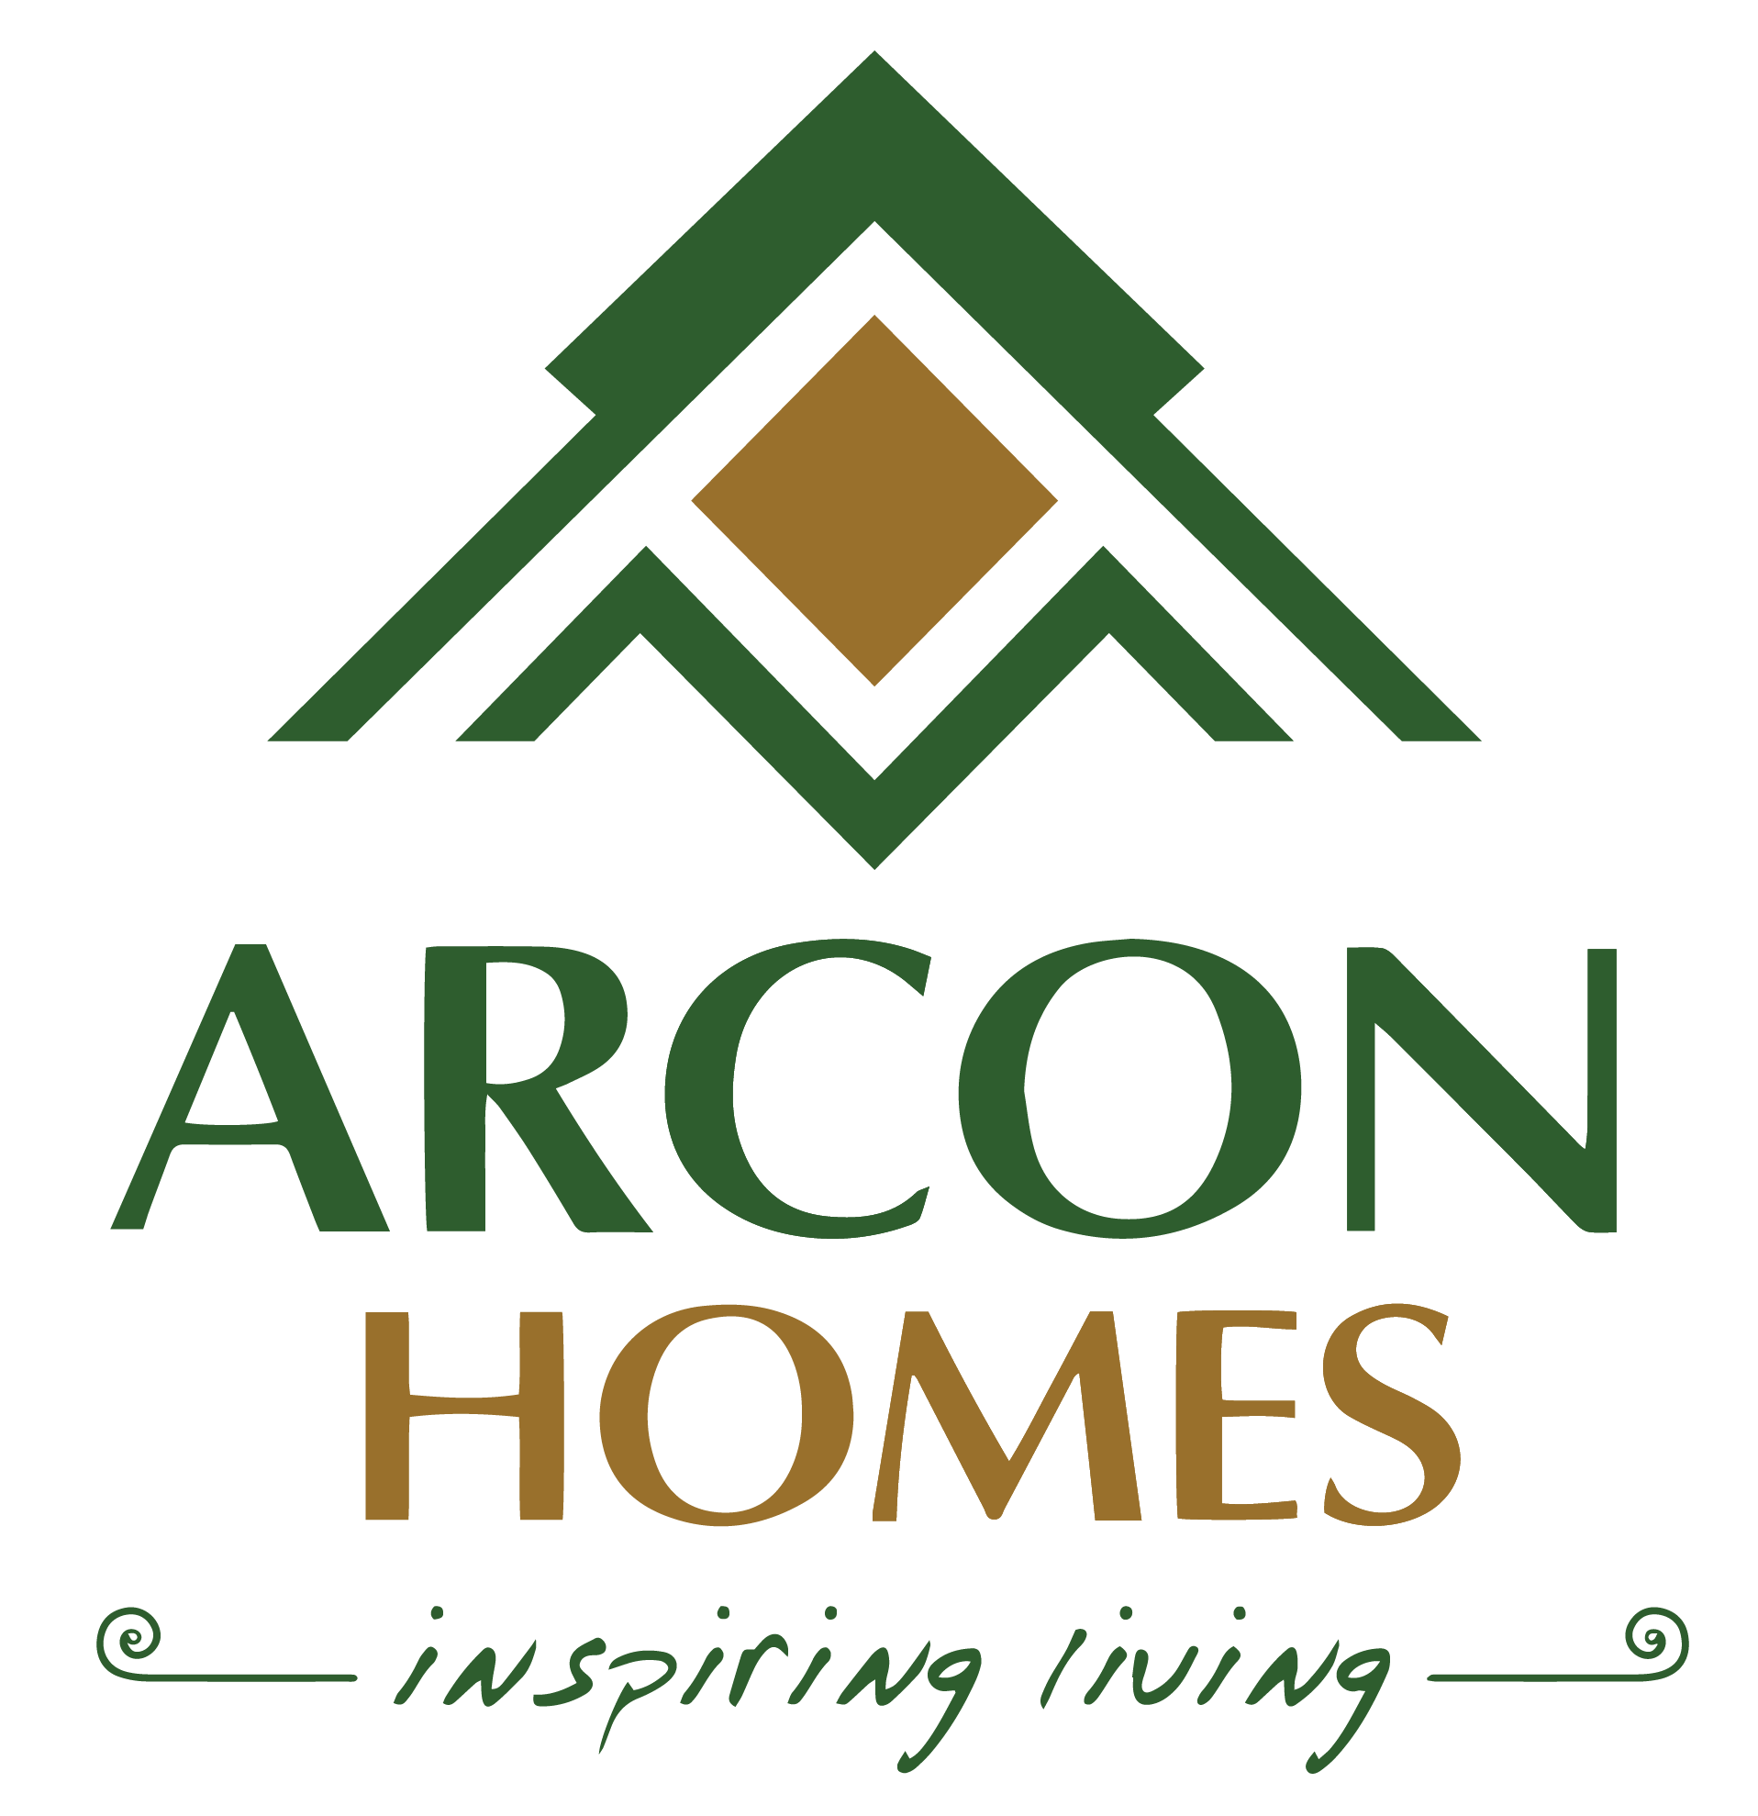
24 | BENOY MARBLES | BENOY | https://benoymarbles.com/ | Yes
25 | BHARATH FURNITURE | BHARATH FURNITURE | https://www.bharathfurniture.in/ | Yes |  | There’s an alternate available ‘BHARATH FURNITURES’. It’s a company from Nagpur, Maharashtra
26 | CHOTHYS BUILDING PROMOTERS PVT LTD | CHOTHYS BUILDING PROMOTERS PVT LTD | https://chothysbuilders.com/ | Yes
27 | CORIAL PROPERTIES INDIA PVT LTD | CORIAL PROPERTIES INDIA PVT LTD | https://cordialproperty.com/ | Yes | 
28 | CDFC HOSPITAL | CDFC HOSPITAL | https://cdfchospital.com/ | Yes
29 | COSMOPOLITIAN HOSPITAL | COSMOPOLITAN HOSPITAL | https://www.cosmopolitanhospitals.in/ | Yes |  | Since 1982’ is written just below the red logo in black test. But the background of this cell has been made black for the purpose of highlighting the ‘COSMOPOLITAN HOSPITAL’ text
30 | GG HOSPITAL | GG SIGNATURE GG HOSPITAL, TRIVANDRUM | https://www.ggsignaturehospital.com/ | Yes |  | It is also known as GG Signature Hospital, a NABH-accredited multi-speciality hospital established in 2016
31 | SREE DHANYA CONSTRUCTION | SREE DHANYA CONSTRUCTION L. L. C. | https://sreedhanyauae.com/ | Yes |  | Also found a ‘https://www.sreedhanyahomes.com/’ Sree Dhanya Homes
32 | MLOFT | MLOFT BY JOEL JACOB MATHEW | https://mloftbyjoeljacobmathew.com/ | Yes | 
33 | LIONS GYM |  |  | NO |  | 'http://www.liongym.in/’ website is suspended
34 | SKP TRADERS |  |  | NO
35 | SKY LIGHT HOMES |  |  | NO |  | Found nothing but ‘Skyline builders’
36 | SPACE DESIGNS | SPACE DESIGNS INTERIORS | https://spacedesigns.net/ | Yes
37 | PERFECT INTERIOR EXTERIORS |  |  | NO |  | Found nothing but ‘https://www.quickerala.com/trivandrum/kowdiar/perfect-interiors-most-trusted-interior-designers-trivandrum/385127’
38 | JUMBO LOCK & TOOLS |  |  | NO |  | Found nothing but ‘https://www.justdial.com/jdmart/Thiruvananthapuram/Jumbo-Glass-And-Plywood-in-Pothencode/0471PX471-X471-220921215325-P8H5_BZDET/catalogue’

